Sheet1
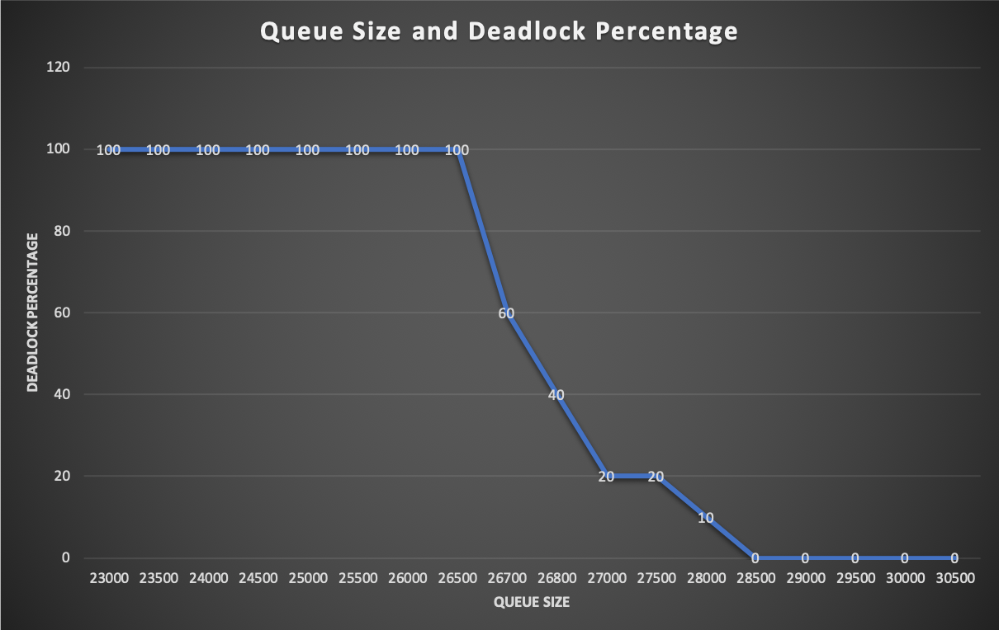
Queue Size and Deadlock Percentage Data
Queue Size | Deadlock Percentage
23000 | 100
23500 | 100
24000 | 100
24500 | 100
25000 | 100
25500 | 100
26000 | 100
26500 | 100
26700 | 60
26800 | 40
27000 | 20
27500 | 20
28000 | 10
28500 | 0
29000 | 0
29500 | 0
30000 | 0
30500 | 0

